Sheet2
LAURA GELLER
PRODUCT NAME | EAN | QUANTITY
Balance N Glow Powder foundation Deep 8gs Unboxed |  | 400
Balance N Glow Powder foundation Golden Medium 8gs Unboxed |  | 300
Balance N Glow Illuminating Powder Foundation 8gs Fair Unboxed |  | 150
Balance N Brighten Powder Foundation 8gs Fair Unboxed |  | 300
Cover Lock Cream Foundation Sand 30ml Boxed | 849154017331 | 100
Cover Lock Cream Foundation Honey 30ml Boxed | 849154017362 | 700
Moroccan Glow Powder Bronzer 10gs Unboxed |  | 300
Dew Dreamer Illuminating Drops Opal Crush 15ml Boxed | 849154035359 | 486
Iconic Baked Sculpting Lipstick 3.8gs Tribeca Tan Boxed | 849154012756 | 150 | 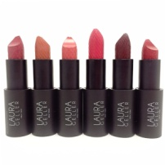
Iconic Baked Sculpting Lipstick 3.8gs Bowery Ballerina Boxed | 849154023448 | 150
Iconic Baked Sculpting Lipstick 3.8gs Delancy Dahlia Boxed | 849154023752 | 150
Iconic Baked Sculpting Lipstick 3.8gs Big Apple Red Boxed | 849154012800 | 150
Iconic Baked Sculpting Lipstick 3.8gs Bleecker St Peach Boxed | 849154012817 | 150
Iconic Baked Sculpting Lipstick 3.8gs Broadway Plum Boxed | 849154012831 | 150
Iconic Baked Sculpting Lipstick 3.8gs Chelsea mauve Boxed | 849154012862 | 150
Color Enriched Lipstick 4gs Pink Mink Boxed | 849154044832 | 180
Iconic Baked Sculpting Lipstick Metallic 3.8g Liberty Rose Gold Boxed | 849154023479 | 600
Iconic Baked Sculpting Lipstick Metallic 3.8g Battery Park Bronze Boxed | 849154023462 | 150
Fifty Kisses Lip Locking Lip Gloss 3ml Love Blush Boxed | 849154017201 | 200
Fifty Kisses Lip Locking Lip Gloss 3ml Ravishing Rose Boxed | 849154017249 | 150
Filter Corrector Color Perfecting Balm 4gs Boxed | 849154021055 | 262
Baked Gelato Swirl Illuminating 4.5gs Ballerina Unboxed | 849154020522 | 100 | 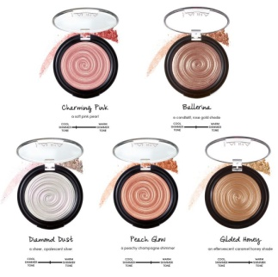
Baked Gelato Swirl Illuminating 4.5gs Charming Pink Boxed | 849154014323 | 60
Baked Gelato Swirl Illuminating 4.5gs Diamond Dust Boxed |  | 200
Pout Perfection Lip liner Spice 1.2gs Unboxed |  | 400
Pout Perfection Lip liner Hibiscus 1.2gs Unboxed |  | 200
GLAM ON THE RUN Face, Eye & Lip Palette |  | 400
Nude Kisses Lip Gloss Cocoa Nut 2.9ml Boxed | 849154035298 | 300
Nude Kisses Lip gloss Taupeless 2.9ml Boxed | 849154035236 | 300
Nude Kisses Lip gloss Nude Beach 2.9ml Boxed | 849154035243 | 300
Nude Kisses Lip gloss Love Crush 2.9ml Boxed |  | 300
Baked Impressions Blush Mocha Mauve Latte 4.5gs Boxed |  | 0
Timeless Skin Cream Compact Blush 3.1g Forever peach Boxed |  | 200
Timeless Skin Cream Compact Blush 3.1g Classic Rouge Boxed |  | 200
Baked Colour & Contour Palette Supersize 20gs Boxed | 849154014477 | 400
Spackle Mist Spray 120ml Boxed | 849154015870 | 200
Tahitian Glow Body Frosting with puff 24gs Boxed | 849154044337 | 0
Matte Maker Invisible Oil Blotting Powder 10.5gs Boxed | 843095011359 | 200
Line N Define Double Ended Eyeliner Shade Black/ Brown 2ml & 0.5gs Unboxed |  | 3
Double Ended Make up / Powder Brush |  | 500
Rose Gold Handle Double Ended Make Up Brush |  | 500
Retractable Kabuke Brush |  | 700
Powder Brush |  | 1000
Shine Stick Lipstick 0.9gs Champagne Toast Boxed | 849154017706 | 110
Too Faced Watermelon Eyeshadow Palette | 651986908073 | 150
Glam Lash Mascara 8gs Black Unboxed | 849154002818 | 20
Drama Lash Mascara 13.5ml unboxed |  | 500
Spackle Hydrating moisturizing Under Make-Up Primer 28ml Unboxed | 849154006533 | 16
Top Coat Lip Gloss Amethyst Glaze 6.5ml Boxed |  | 600
Soft Matte Baked Blush Romantic Rose 4.5gs Boxed | 849154031405 | 440
Soft Matte Baked Blush Cherry Bloom 4.5gs Boxed |  | 200
Chandelier Blushers 9gs Boxed | 849154001583 | 0
Timeless Skin Cream Compact Foundation 12gs Deep Boxed |  | 300 | 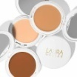 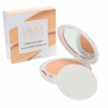
Timeless Skin Cream Compact Foundation 12gs Beige Boxed |  | 300
Timeless Skin Cream Compact Foundation 12gs Medium Boxed | 849154050239 | 300
Timeless Skin Cream Compact Foundation 12gs Golden Medium Boxed |  | 300
Timeless Skin Cream Compact Foundation 12gs Sand Boxed |  | 300
Timeless Skin Cream Compact Foundation 12gs Porcelain Boxed | 849154050215 | 300
The Ultimate Eyeshadow Palette - 31 Baked Eyeshadows | 849154050093 | 200
Color Luster Lip Gloss HiDef Top Coat 6.5ml City Lights Boxed | 849154023011 | 150 | 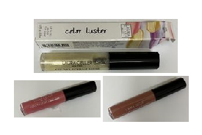
Color Luster Lip Gloss HiDef Top Coat 6.5ml Sugar Cane Unboxed |  | 200
Color Luster Lip Gloss HiDef Top Coat 6.5ml Strawberry Cream Unboxed |  | 200
Color Drenched Lip Gloss 5.5ml Piazza Pink Boxed | 849154045006 | 300
Color Drenched Lip Gloss 5.5ml Cafe Au Lait Boxed | 849154044931 | 300
Color Drenched Lip Gloss 9ml Brandy Boxed | 849154002399 | 300
Easy Illuminating Stick 4.95g Diamond Dust Boxed | 849154020638 | 150
Lash Boss stretch Mascara 8.5ml Black Boxed | 849154045693 | 450
Lash Boss stretch Mascara 4ml Black Unboxed |  | 500
 |  | 18377

